Design Tool
SALINO® 250 Pressure Center ̶ Design Tool

 | Unit Selection
 | Pressure |  |  |  | Membrane |  |  |  |  |  | = required Input
 | Flow |  |  |  | Recovery Rate | 30 | %
 | Temperature
 |  |  |  |  |  |  |  | Permeate
 |  |  |  |  |  |  |  | Flow | 4.2 | m³/h
 | High Pressure Feed
 | Flow | 13.9 | m³/h |  |  |  |  | Limiting Values for Operation
 | Pressure | 65.0 | bar |  |  |  |  | Minimum feed pressure |  |  | 2.9 | bar
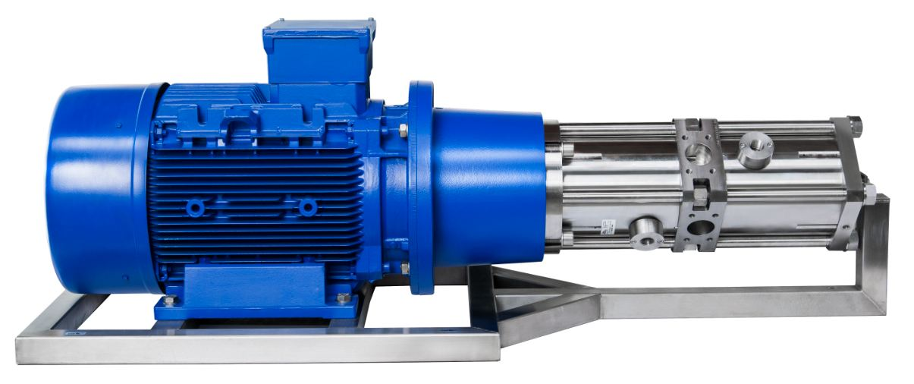
 |  |  |  |  |  |  |  | Minimum operating pressure |  |  | 30.0 | bar
 |  |  |  |  |  |  |  | Maximum operating pressure |  |  | 70.0 | bar
 |  |  |  |  | High Pressure Brine |  |  | Minimum back pressure |  |  | 2.0 | bar
 |  |  |  |  | Flow | 9.7 | m³/h | Maximum water temperature |  |  | 40 | °C
 |  |  |  |  | Pressure | 64.0 | bar | Minimum rotational speed |  |  | 600 | rpm
 |  |  |  |  |  |  |  | Maximum rotational speed |  |  | 1750 | rpm
 |  |  |  |  |  |  |  | Input
 |  |  |  |  |  |  |  | Permeate Flow |  |  | 100.0 | m³/day
 |  |  |  |  |  |  |  | Membran pressure drop |  |  | 1.0 | bar
 |  |  |  |  |  |  |  | Electric drive |  |  | Standard IE3
 | Feed Water |  |  |  |  |  |  | Electrical Motor efficiency |  |  | 90 | %
 | Flow | 14.1 | m³/h |  |  |  |  | Frequency Converter |  |  | Standard
 | Pressure | 2.9 | bar |  |  |  |  | Frequency Converter efficiency |  |  | 90 | %
 |  |  |  |  | Low Pressure Brine |  |  | SALINO®
 |  |  |  |  | Flow | 9.5 | m³/h | SALINO® hydraulic efficiency |  |  | 97 | %
 |  |  |  |  | Pressure | 2.0 | bar | Number of SALINO®s required |  |  | 1
 |  |  |  |  |  |  |  | Rotational speed |  |  | 1029 | rpm
 | Sea Water |  |  |  |  |  |  | Power savings |  |  | 16.34 | kW
 | Salinity | 47000 | ppm |  |  |  |  | Total Lubrication Flow |  |  | 0.43 | m³/h
 | Temperature | 18 | °C |  |  | Warning |  | Energy Data
 |  |  |  |  |  | - none - |  | Rated Power |  |  | 10.13 | kW
 |  |  |  |  |  |  |  | Energy costs |  |  | 0.16 | €/kWh
 |  |  |  |  |  |  |  | Energy efficiency |  |  | 2.43 | kWh/m³
 |  |  |  |  |  |  |  | Specific energy costs |  |  | 0.39 | €/m³
 |  |  |  |  |  |  |  | Energy savings |  |  | 176735 | kWh/a
 |  |  |  | www.salinnova.com |  |  | engineered by | CO2 savings |  |  | 107 | t/a
 | All calculated data presented does not represent guaranteed performance. |  |  |  |  |  |  | Energy cost savings |  |  | 28278 | €/a

